Sheet1
Month | Revenue | Exp | Net Revenue
Jan | Rs. 10,000 | Rs. 7,000 | Rs. 17,000
Feb | Rs. 15,000 | Rs. 10,000 | Rs. 25,000 |  | Exp | <--Select from Drop down list and get the chart
Exp
 | Revenue
Jan | Rs. 7,000
Feb | Rs. 10,000
March | Rs. 12,000
April | Rs. 13,000
May | Rs. 12,000
June | Rs. 16,000
Jul | Rs. 19,000
Aug | Rs. 26,000
Sep | Rs. 20,000
Oct | Rs. 21,000
Nov | Rs. 23,000
Dec | Rs. 28,000
March | Rs. 17,000 | Rs. 12,000 | Rs. 29,000
April | Rs. 13,000 | Rs. 13,000 | Rs. 26,000
May | Rs. 14,000 | Rs. 12,000 | Rs. 26,000
June | Rs. 18,000 | Rs. 16,000 | Rs. 34,000
Jul | Rs. 25,000 | Rs. 19,000 | Rs. 44,000
Aug | Rs. 29,000 | Rs. 26,000 | Rs. 55,000
Sep | Rs. 27,000 | Rs. 20,000 | Rs. 47,000
Oct | Rs. 26,000 | Rs. 21,000 | Rs. 47,000
Nov | Rs. 30,000 | Rs. 23,000 | Rs. 53,000
Dec | Rs. 35,000 | Rs. 28,000 | Rs. 63,000

Step by Step guide how to create a Dynamic Chart
Step 1: | Select data range A1:D13 to create the chart
 | Click on Insert Menu--> Select Column chart type |  |  | Select 2D Column chart type(say clusterm column type).
 | Position the chart in where you would like to place it. It will appear as follows:
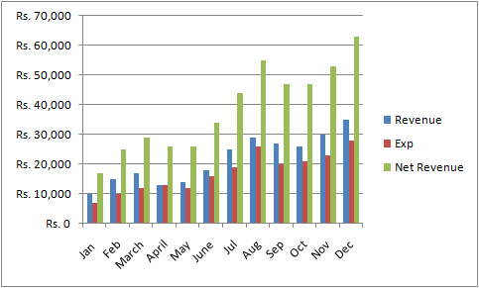

Step 2: | As we intend to show the graph dynamically in respect of Revenue, Exp, Net Revenue by selecting drop down
 | list at cell:H3, hene keep only one bar(say Revenue) and delete other bars (Exp, Net Revenue) by selecting the
 | respective bars. In cell H3 a Data Validation List has been created.
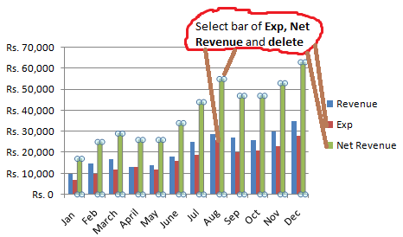

 | On deleting above the chart will appear as follows:
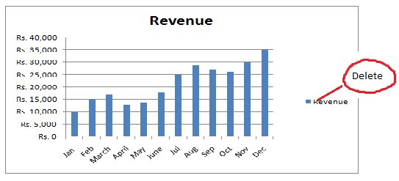

 | Delete also the label Revenue as marked above.

Step 3: | Please do change title label which shown as Revenue and linked the title with cell:H3
 | That means the tittle would be dynamically changed. To do the same click inside the title box, go to
 | Formular bar --> type =H3--> press Enter key. See the changes on selecting data from drop down list
 | from H3

Step 4: | To fetch data corresponding to cell H3, we need to assign a formula using function of OFFSET, MATCH
 | So go to Formulas menu-->Select Name Manger |  |  |  | Click on New

 | Type a name of formula say "dynamicchart" and put the formula as mentioned below in Refers to: box
 | and clik on OK
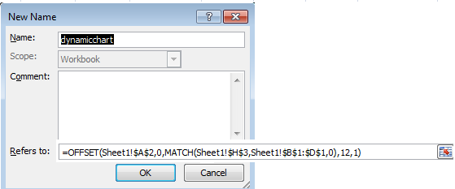

Step 5: | We have done almost.However need to incorporate the OFFSET and MATCH formula as already created in
 | Name Mager(name dynamicchart)
 | Select any bar in the chart and press F2 to edit the formula. In place$B$2:$B$13 type dynamicchart
 | and press Enter.
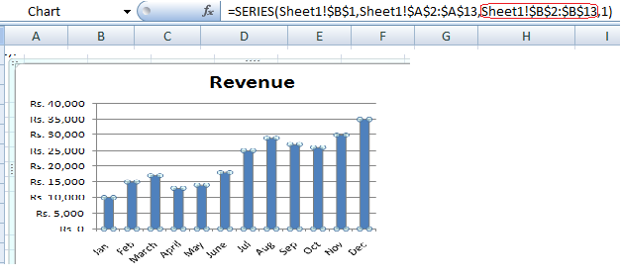

NOW THE DYNAMIC CHART IS READY. To change back ground color, data label etc you may do as per your choice.

For any clarification please write to: prodip das@gmail.com

